excel
/Non Project/PSP for Engineers/Program 2

PSP0.1 Project Plan Summary

Do not forget to enter the actual size for your previous program, Program 1.

Time In Phase
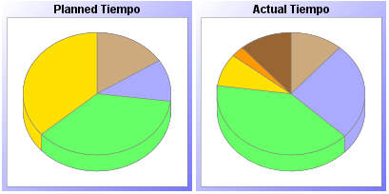

 | Plan | Actual | A la Fecha | % A la Fecha
PlaneaciÃ³n | 0:07:00 | 0:04:00 | 0:14:00 | 14.30%
DiseÃ±o | 0:05:00 | 0:09:00 | 0:16:00 | 16.30%
CodificaciÃ³n | 0:16:00 | 0:14:00 | 0:37:00 | 37.80%
CompilaciÃ³n | 0:16:00 | 0:03:00 | 0:26:00 | 26.50%
Pruebas | 0:00:00 | 0:01:00 | 0:01:00 | 1.02%
Postmortem | 0:00:00 | 0:04:00 | 0:04:00 | 4.08%
Total | 0:45:00 | 0:35:00 | 1:38:00

PSP materials copyright © 2018 Carnegie Mellon University, licensed under CC BY 4.0.

Reporte generado a las 8:50 PM el Mar 5, 2021

